Ins
REQUEST FOR PROPOSAL (RFP) - Project Title :___Roaming Mobile App_

Asiacell Confidential and Proprietary

SECTION 1. INSTRUCTION & DISCLAIMER

How to fill Compliance Statement
Compliance Statement | The BIDDER shall provide compliance list documents which refer to this document
Link to Proposals | Information to state at which documents the detailed description of the compliance. It may be document titles, chapter, sub chapter, pages, etc.
Remark | Any addition information to be added to the compliance statement

Compliance | The BIDDER shall provide the type of compliance refer to the specifications
Fully Compliant | The proposed design and scope of work totally fulfils the described Recommendation and totally can be provided by BIDDER.
Non Compliant | Recommendation stated in the according column can not provided and supported by BIDDER.

CORRECT

CORRECT
CORRECT
CORRECT

X
WRONG
X
X
X
WRONG
WRONG
WRONG

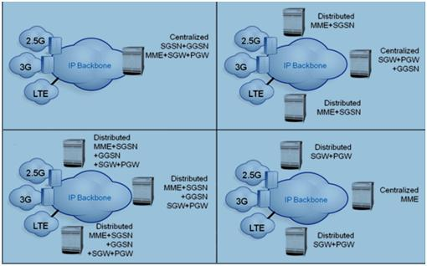
CORRECT

CORRECT
CORRECT
CORRECT

X

X
X
X
WRONG

WRONG
WRONG
WRONG

